Sheet1
Product Code | Style | Description | Colour | Size | Carton Quantities | APN | Inventory | RRP AUS $ | Line RRP

WOR/WW/909452 | Y00101 | HV2T TCGN HR2 C/ALL | YNA | 77R | 10 | 9319856909452 | 15 | $310.00 | $4,650.00 | 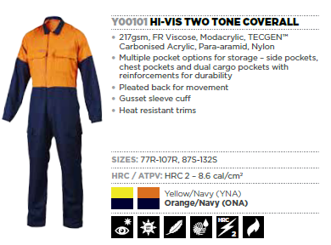
WOR/WW/909469 | Y00101 | HV2T TCGN HR2 C/ALL | YNA | 82R | 10 | 9319856909469 | 15 | $310.00 | $4,650.00
WOR/WW/909476 | Y00101 | HV2T TCGN HR2 C/ALL | YNA | 87R | 10 | 9319856909476 | 23 | $310.00 | $7,130.00
WOR/WW/909483 | Y00101 | HV2T TCGN HR2 C/ALL | YNA | 92R | 10 | 9319856909483 | 37 | $310.00 | $11,470.00
WOR/WW/909490 | Y00101 | HV2T TCGN HR2 C/ALL | YNA | 97R | 10 | 9319856909490 | 65 | $310.00 | $20,150.00
WOR/WW/909438 | Y00101 | HV2T TCGN HR2 C/ALL | YNA | 102R | 10 | 9319856909438 | 69 | $310.00 | $21,390.00
WOR/WW/909445 | Y00101 | HV2T TCGN HR2 C/ALL | YNA | 107R | 10 | 9319856909445 | 51 | $310.00 | $15,810.00
WOR/WW/909575 | Y00101 | HV2T TCGN HR2 C/ALL | YNA | 87S | 10 | 9319856909575 | 15 | $310.00 | $4,650.00
WOR/WW/909582 | Y00101 | HV2T TCGN HR2 C/ALL | YNA | 92S | 10 | 9319856909582 | 18 | $310.00 | $5,580.00
WOR/WW/909599 | Y00101 | HV2T TCGN HR2 C/ALL | YNA | 97S | 10 | 9319856909599 | 13 | $310.00 | $4,030.00
WOR/WW/909506 | Y00101 | HV2T TCGN HR2 C/ALL | YNA | 102S | 10 | 9319856909506 | 12 | $310.00 | $3,720.00
WOR/WW/909513 | Y00101 | HV2T TCGN HR2 C/ALL | YNA | 107S | 10 | 9319856909513 | 19 | $310.00 | $5,890.00
WOR/WW/909520 | Y00101 | HV2T TCGN HR2 C/ALL | YNA | 112S | 10 | 9319856909520 | 6 | $310.00 | $1,860.00
WOR/WW/909537 | Y00101 | HV2T TCGN HR2 C/ALL | YNA | 117S | 10 | 9319856909537 | 10 | $310.00 | $3,100.00
WOR/WW/909544 | Y00101 | HV2T TCGN HR2 C/ALL | YNA | 122S | 10 | 9319856909544 | 10 | $310.00 | $3,100.00
WOR/WW/909551 | Y00101 | HV2T TCGN HR2 C/ALL | YNA | 127S | 10 | 9319856909551 | 5 | $310.00 | $1,550.00
WOR/WW/909568 | Y00101 | HV2T TCGN HR2 C/ALL | YNA | 132S | 10 | 9319856909568 | 5 | $310.00 | $1,550.00

WOR/WW/909964 | Y00102 | HV2T TGN HR2 C/ALL T | ONA | 77R | 10 | 9319856909964 | 1 | $320.00 | $320.00 | 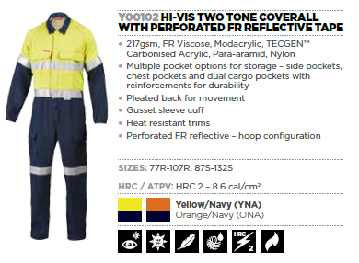
WOR/WW/909971 | Y00102 | HV2T TGN HR2 C/ALL T | ONA | 82R | 10 | 9319856909971 | 15 | $320.00 | $4,800.00
WOR/WW/909988 | Y00102 | HV2T TGN HR2 C/ALL T | ONA | 87R | 10 | 9319856909988 | 8 | $320.00 | $2,560.00
WOR/WW/909995 | Y00102 | HV2T TGN HR2 C/ALL T | ONA | 92R | 10 | 9319856909995 | 44 | $320.00 | $14,080.00
WOR/WW/910007 | Y00102 | HV2T TGN HR2 C/ALL T | ONA | 97R | 10 | 9319856910007 | 63 | $320.00 | $20,160.00
WOR/WW/909940 | Y00102 | HV2T TGN HR2 C/ALL T | ONA | 102R | 10 | 9319856909940 | 83 | $320.00 | $26,560.00
WOR/WW/909957 | Y00102 | HV2T TGN HR2 C/ALL T | ONA | 107R | 10 | 9319856909957 | 77 | $320.00 | $24,640.00
WOR/WW/910083 | Y00102 | HV2T TGN HR2 C/ALL T | ONA | 87S | 10 | 9319856910083 | 79 | $320.00 | $25,280.00
WOR/WW/910090 | Y00102 | HV2T TGN HR2 C/ALL T | ONA | 92S | 10 | 9319856910090 | 113 | $320.00 | $36,160.00
WOR/WW/910106 | Y00102 | HV2T TGN HR2 C/ALL T | ONA | 97S | 10 | 9319856910106 | 3 | $320.00 | $960.00
WOR/WW/910014 | Y00102 | HV2T TGN HR2 C/ALL T | ONA | 102S | 10 | 9319856910014 | 1 | $320.00 | $320.00
WOR/WW/910021 | Y00102 | HV2T TGN HR2 C/ALL T | ONA | 107S | 10 | 9319856910021 | 9 | $320.00 | $2,880.00
WOR/WW/910038 | Y00102 | HV2T TGN HR2 C/ALL T | ONA | 112S | 10 | 9319856910038 | 1 | $320.00 | $320.00
WOR/WW/910052 | Y00102 | HV2T TGN HR2 C/ALL T | ONA | 122S | 10 | 9319856910052 | 5 | $320.00 | $1,600.00
WOR/WW/910069 | Y00102 | HV2T TGN HR2 C/ALL T | ONA | 127S | 10 | 9319856910069 | 1 | $320.00 | $320.00
WOR/WW/910076 | Y00102 | HV2T TGN HR2 C/ALL T | ONA | 132S | 10 | 9319856910076 | 10 | $320.00 | $3,200.00

WOR/WW/909797 | Y00102 | HV2T TGN HR2 C/ALL T | YNA | 77R | 10 | 9319856909797 | 29 | $320.00 | $9,280.00
WOR/WW/909803 | Y00102 | HV2T TGN HR2 C/ALL T | YNA | 82R | 10 | 9319856909803 | 44 | $320.00 | $14,080.00
WOR/WW/909810 | Y00102 | HV2T TGN HR2 C/ALL T | YNA | 87R | 10 | 9319856909810 | 51 | $320.00 | $16,320.00
WOR/WW/909827 | Y00102 | HV2T TGN HR2 C/ALL T | YNA | 92R | 10 | 9319856909827 | 144 | $320.00 | $46,080.00
WOR/WW/909834 | Y00102 | HV2T TGN HR2 C/ALL T | YNA | 97R | 10 | 9319856909834 | 88 | $320.00 | $28,160.00
WOR/WW/909773 | Y00102 | HV2T TGN HR2 C/ALL T | YNA | 102R | 10 | 9319856909773 | 29 | $320.00 | $9,280.00
WOR/WW/909780 | Y00102 | HV2T TGN HR2 C/ALL T | YNA | 107R | 10 | 9319856909780 | 42 | $320.00 | $13,440.00
WOR/WW/909919 | Y00102 | HV2T TGN HR2 C/ALL T | YNA | 87S | 10 | 9319856909919 | 106 | $320.00 | $33,920.00
WOR/WW/909926 | Y00102 | HV2T TGN HR2 C/ALL T | YNA | 92S | 10 | 9319856909926 | 165 | $320.00 | $52,800.00
WOR/WW/909933 | Y00102 | HV2T TGN HR2 C/ALL T | YNA | 97S | 10 | 9319856909933 | 20 | $320.00 | $6,400.00
WOR/WW/909841 | Y00102 | HV2T TGN HR2 C/ALL T | YNA | 102S | 10 | 9319856909841 | 50 | $320.00 | $16,000.00
WOR/WW/909858 | Y00102 | HV2T TGN HR2 C/ALL T | YNA | 107S | 10 | 9319856909858 | 46 | $320.00 | $14,720.00
WOR/WW/909865 | Y00102 | HV2T TGN HR2 C/ALL T | YNA | 112S | 10 | 9319856909865 | 17 | $320.00 | $5,440.00
WOR/WW/909872 | Y00102 | HV2T TGN HR2 C/ALL T | YNA | 117S | 10 | 9319856909872 | 10 | $320.00 | $3,200.00
WOR/WW/909889 | Y00102 | HV2T TGN HR2 C/ALL T | YNA | 122S | 10 | 9319856909889 | 17 | $320.00 | $5,440.00
WOR/WW/909896 | Y00102 | HV2T TGN HR2 C/ALL T | YNA | 127S | 10 | 9319856909896 | 15 | $320.00 | $4,800.00
WOR/WW/909902 | Y00102 | HV2T TGN HR2 C/ALL T | YNA | 132S | 10 | 9319856909902 | 15 | $320.00 | $4,800.00

WOR/WW/580368 | Y00302 | HV2T TECASAFE CALL | ONA | 77R | 10 | 9343168580368 | 20 | $244.00 | $4,880.00 | 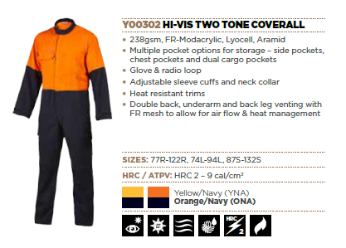
WOR/WW/580375 | Y00302 | HV2T TECASAFE CALL | ONA | 82R | 10 | 9343168580375 | 105 | $244.00 | $25,620.00
WOR/WW/580382 | Y00302 | HV2T TECASAFE CALL | ONA | 87R | 10 | 9343168580382 | 131 | $244.00 | $31,964.00
WOR/WW/580399 | Y00302 | HV2T TECASAFE CALL | ONA | 92R | 10 | 9343168580399 | 218 | $244.00 | $53,192.00
WOR/WW/580405 | Y00302 | HV2T TECASAFE CALL | ONA | 97R | 10 | 9343168580405 | 126 | $244.00 | $30,744.00
WOR/WW/580313 | Y00302 | HV2T TECASAFE CALL | ONA | 102R | 10 | 9343168580313 | 236 | $244.00 | $57,584.00
WOR/WW/580320 | Y00302 | HV2T TECASAFE CALL | ONA | 107R | 10 | 9343168580320 | 52 | $244.00 | $12,688.00
WOR/WW/580337 | Y00302 | HV2T TECASAFE CALL | ONA | 112R | 10 | 9343168580337 | 32 | $244.00 | $7,808.00
WOR/WW/580344 | Y00302 | HV2T TECASAFE CALL | ONA | 117R | 10 | 9343168580344 | 20 | $244.00 | $4,880.00
WOR/WW/580351 | Y00302 | HV2T TECASAFE CALL | ONA | 122R | 10 | 9343168580351 | 10 | $244.00 | $2,440.00
WOR/WW/580481 | Y00302 | HV2T TECASAFE CALL | ONA | 87S | 10 | 9343168580481 | 70 | $244.00 | $17,080.00
WOR/WW/580498 | Y00302 | HV2T TECASAFE CALL | ONA | 92S | 10 | 9343168580498 | 56 | $244.00 | $13,664.00
WOR/WW/580504 | Y00302 | HV2T TECASAFE CALL | ONA | 97S | 10 | 9343168580504 | 46 | $244.00 | $11,224.00
WOR/WW/580412 | Y00302 | HV2T TECASAFE CALL | ONA | 102S | 10 | 9343168580412 | 49 | $244.00 | $11,956.00
WOR/WW/580429 | Y00302 | HV2T TECASAFE CALL | ONA | 107S | 10 | 9343168580429 | 56 | $244.00 | $13,664.00
WOR/WW/580436 | Y00302 | HV2T TECASAFE CALL | ONA | 112S | 10 | 9343168580436 | 30 | $244.00 | $7,320.00
WOR/WW/580443 | Y00302 | HV2T TECASAFE CALL | ONA | 117S | 10 | 9343168580443 | 70 | $244.00 | $17,080.00
WOR/WW/580450 | Y00302 | HV2T TECASAFE CALL | ONA | 122S | 10 | 9343168580450 | 20 | $244.00 | $4,880.00
WOR/WW/580467 | Y00302 | HV2T TECASAFE CALL | ONA | 127S | 10 | 9343168580467 | 1 | $244.00 | $244.00
WOR/WW/580474 | Y00302 | HV2T TECASAFE CALL | ONA | 132S | 10 | 9343168580474 | 9 | $244.00 | $2,196.00
WOR/WW/580283 | Y00302 | HV2T TECASAFE CALL | ONA | 84L | 10 | 9343168580283 | 10 | $244.00 | $2,440.00
WOR/WW/580290 | Y00302 | HV2T TECASAFE CALL | ONA | 89L | 10 | 9343168580290 | 30 | $244.00 | $7,320.00
WOR/WW/580306 | Y00302 | HV2T TECASAFE CALL | ONA | 94L | 10 | 9343168580306 | 14 | $244.00 | $3,416.00

WOR/WW/580610 | Y00302 | HV2T TECASAFE CALL | YNA | 77R | 10 | 9343168580610 | 19 | $244.00 | $4,636.00
WOR/WW/580627 | Y00302 | HV2T TECASAFE CALL | YNA | 82R | 10 | 9343168580627 | 75 | $244.00 | $18,300.00
WOR/WW/580634 | Y00302 | HV2T TECASAFE CALL | YNA | 87R | 10 | 9343168580634 | 101 | $244.00 | $24,644.00
WOR/WW/580641 | Y00302 | HV2T TECASAFE CALL | YNA | 92R | 10 | 9343168580641 | 101 | $244.00 | $24,644.00
WOR/WW/580658 | Y00302 | HV2T TECASAFE CALL | YNA | 97R | 10 | 9343168580658 | 138 | $244.00 | $33,672.00
WOR/WW/580566 | Y00302 | HV2T TECASAFE CALL | YNA | 102R | 10 | 9343168580566 | 160 | $244.00 | $39,040.00
WOR/WW/580573 | Y00302 | HV2T TECASAFE CALL | YNA | 107R | 10 | 9343168580573 | 30 | $244.00 | $7,320.00
WOR/WW/580580 | Y00302 | HV2T TECASAFE CALL | YNA | 112R | 10 | 9343168580580 | 61 | $244.00 | $14,884.00
WOR/WW/580597 | Y00302 | HV2T TECASAFE CALL | YNA | 117R | 10 | 9343168580597 | 22 | $244.00 | $5,368.00
WOR/WW/580603 | Y00302 | HV2T TECASAFE CALL | YNA | 122R | 10 | 9343168580603 | 10 | $244.00 | $2,440.00
WOR/WW/580733 | Y00302 | HV2T TECASAFE CALL | YNA | 87S | 10 | 9343168580733 | 20 | $244.00 | $4,880.00
WOR/WW/580740 | Y00302 | HV2T TECASAFE CALL | YNA | 92S | 10 | 9343168580740 | 29 | $244.00 | $7,076.00
WOR/WW/580757 | Y00302 | HV2T TECASAFE CALL | YNA | 97S | 10 | 9343168580757 | 32 | $244.00 | $7,808.00
WOR/WW/580665 | Y00302 | HV2T TECASAFE CALL | YNA | 102S | 10 | 9343168580665 | 63 | $244.00 | $15,372.00
WOR/WW/580672 | Y00302 | HV2T TECASAFE CALL | YNA | 107S | 10 | 9343168580672 | 47 | $244.00 | $11,468.00
WOR/WW/580689 | Y00302 | HV2T TECASAFE CALL | YNA | 112S | 10 | 9343168580689 | 67 | $244.00 | $16,348.00
WOR/WW/580696 | Y00302 | HV2T TECASAFE CALL | YNA | 117S | 10 | 9343168580696 | 40 | $244.00 | $9,760.00
WOR/WW/580702 | Y00302 | HV2T TECASAFE CALL | YNA | 122S | 10 | 9343168580702 | 20 | $244.00 | $4,880.00
WOR/WW/580726 | Y00302 | HV2T TECASAFE CALL | YNA | 132S | 10 | 9343168580726 | 18 | $244.00 | $4,392.00
WOR/WW/580535 | Y00302 | HV2T TECASAFE CALL | YNA | 84L | 10 | 9343168580535 | 14 | $244.00 | $3,416.00
WOR/WW/580542 | Y00302 | HV2T TECASAFE CALL | YNA | 89L | 10 | 9343168580542 | 10 | $244.00 | $2,440.00
WOR/WW/580559 | Y00302 | HV2T TECASAFE CALL | YNA | 94L | 10 | 9343168580559 | 2 | $244.00 | $488.00

WOR/WW/579867 | Y00303 | HV2T TECASAFE CALLRT | ONA | 77R | 10 | 9343168579867 | 2 | $277.00 | $554.00 | 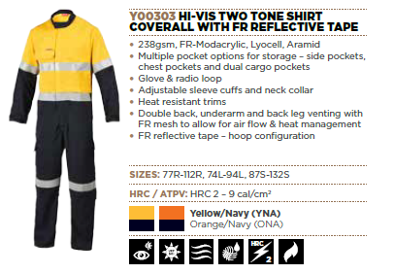
WOR/WW/579874 | Y00303 | HV2T TECASAFE CALLRT | ONA | 82R | 10 | 9343168579874 | 107 | $277.00 | $29,639.00
WOR/WW/579881 | Y00303 | HV2T TECASAFE CALLRT | ONA | 87R | 10 | 9343168579881 | 393 | $277.00 | $108,861.00
WOR/WW/579898 | Y00303 | HV2T TECASAFE CALLRT | ONA | 92R | 10 | 9343168579898 | 559 | $277.00 | $154,843.00
WOR/WW/579904 | Y00303 | HV2T TECASAFE CALLRT | ONA | 97R | 10 | 9343168579904 | 864 | $277.00 | $239,328.00
WOR/WW/579812 | Y00303 | HV2T TECASAFE CALLRT | ONA | 102R | 10 | 9343168579812 | 0 | $277.00 | $-
WOR/WW/579829 | Y00303 | HV2T TECASAFE CALLRT | ONA | 107R | 10 | 9343168579829 | 0 | $277.00 | $-
WOR/WW/579836 | Y00303 | HV2T TECASAFE CALLRT | ONA | 112R | 10 | 9343168579836 | 0 | $277.00 | $-
WOR/WW/579980 | Y00303 | HV2T TECASAFE CALLRT | ONA | 87S | 10 | 9343168579980 | 46 | $277.00 | $12,742.00
WOR/WW/579997 | Y00303 | HV2T TECASAFE CALLRT | ONA | 92S | 10 | 9343168579997 | 10 | $277.00 | $2,770.00
WOR/WW/580009 | Y00303 | HV2T TECASAFE CALLRT | ONA | 97S | 10 | 9343168580009 | 195 | $277.00 | $54,015.00
WOR/WW/579911 | Y00303 | HV2T TECASAFE CALLRT | ONA | 102S | 10 | 9343168579911 | 0 | $277.00 | $-
WOR/WW/579928 | Y00303 | HV2T TECASAFE CALLRT | ONA | 107S | 10 | 9343168579928 | 0 | $277.00 | $-
WOR/WW/579935 | Y00303 | HV2T TECASAFE CALLRT | ONA | 112S | 10 | 9343168579935 | 0 | $277.00 | $-
WOR/WW/579942 | Y00303 | HV2T TECASAFE CALLRT | ONA | 117S | 10 | 9343168579942 | 0 | $277.00 | $-
WOR/WW/579959 | Y00303 | HV2T TECASAFE CALLRT | ONA | 122S | 10 | 9343168579959 | 0 | $277.00 | $-
WOR/WW/579966 | Y00303 | HV2T TECASAFE CALLRT | ONA | 127S | 10 | 9343168579966 | 0 | $277.00 | $-
WOR/WW/579973 | Y00303 | HV2T TECASAFE CALLRT | ONA | 132S | 10 | 9343168579973 | 0 | $277.00 | $-
WOR/WW/579768 | Y00303 | HV2T TECASAFE CALLRT | ONA | 74L | 10 | 9343168579768 | 2 | $277.00 | $554.00
WOR/WW/579782 | Y00303 | HV2T TECASAFE CALLRT | ONA | 84L | 10 | 9343168579782 | 20 | $277.00 | $5,540.00
WOR/WW/579799 | Y00303 | HV2T TECASAFE CALLRT | ONA | 89L | 10 | 9343168579799 | 41 | $277.00 | $11,357.00
WOR/WW/579805 | Y00303 | HV2T TECASAFE CALLRT | ONA | 94L | 10 | 9343168579805 | 42 | $277.00 | $11,634.00

WOR/WW/580115 | Y00303 | HV2T TECASAFE CALLRT | YNA | 77R | 10 | 9343168580115 | 160 | $277.00 | $44,320.00
WOR/WW/580122 | Y00303 | HV2T TECASAFE CALLRT | YNA | 82R | 10 | 9343168580122 | 228 | $277.00 | $63,156.00
WOR/WW/580139 | Y00303 | HV2T TECASAFE CALLRT | YNA | 87R | 10 | 9343168580139 | 330 | $277.00 | $91,410.00
WOR/WW/580146 | Y00303 | HV2T TECASAFE CALLRT | YNA | 92R | 10 | 9343168580146 | 318 | $277.00 | $88,086.00
WOR/WW/580238 | Y00303 | HV2T TECASAFE CALLRT | YNA | 87S | 10 | 9343168580238 | 10 | $277.00 | $2,770.00
WOR/WW/580245 | Y00303 | HV2T TECASAFE CALLRT | YNA | 92S | 10 | 9343168580245 | 91 | $277.00 | $25,207.00
WOR/WW/580252 | Y00303 | HV2T TECASAFE CALLRT | YNA | 97S | 10 | 9343168580252 | 187 | $277.00 | $51,799.00
WOR/WW/580207 | Y00303 | HV2T TECASAFE CALLRT | YNA | 122S | 10 | 9343168580207 | 104 | $277.00 | $28,808.00
WOR/WW/580214 | Y00303 | HV2T TECASAFE CALLRT | YNA | 127S | 10 | 9343168580214 | 0 | $277.00
WOR/WW/580221 | Y00303 | HV2T TECASAFE CALLRT | YNA | 132S | 10 | 9343168580221 | 71 | $277.00 | $19,667.00
WOR/WW/580016 | Y00303 | HV2T TECASAFE CALLRT | YNA | 74L | 10 | 9343168580016 | 2 | $277.00 | $554.00
WOR/WW/580023 | Y00303 | HV2T TECASAFE CALLRT | YNA | 79L | 10 | 9343168580023 | 5 | $277.00 | $1,385.00
WOR/WW/580030 | Y00303 | HV2T TECASAFE CALLRT | YNA | 84L | 10 | 9343168580030 | 5 | $277.00 | $1,385.00
WOR/WW/580047 | Y00303 | HV2T TECASAFE CALLRT | YNA | 89L | 10 | 9343168580047 | 8 | $277.00 | $2,216.00
WOR/WW/580054 | Y00303 | HV2T TECASAFE CALLRT | YNA | 94L | 10 | 9343168580054 | 50 | $277.00 | $13,850.00

WOR/WW/300310 | Y00308 | TECASAFE COVRALL RT | ORA | 77R | 10 | 9319856300310 | 38 | $216.00 | $8,208.00 | 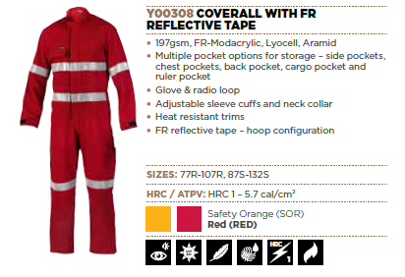
WOR/WW/300327 | Y00308 | TECASAFE COVRALL RT | ORA | 82R | 10 | 9319856300327 | 124 | $216.00 | $26,784.00
WOR/WW/300334 | Y00308 | TECASAFE COVRALL RT | ORA | 87R | 10 | 9319856300334 | 230 | $216.00 | $49,680.00
WOR/WW/300341 | Y00308 | TECASAFE COVRALL RT | ORA | 92R | 10 | 9319856300341 | 291 | $216.00 | $62,856.00
WOR/WW/300358 | Y00308 | TECASAFE COVRALL RT | ORA | 97R | 10 | 9319856300358 | 187 | $216.00 | $40,392.00
WOR/WW/300297 | Y00308 | TECASAFE COVRALL RT | ORA | 102R | 10 | 9319856300297 | 49 | $216.00 | $10,584.00
WOR/WW/300303 | Y00308 | TECASAFE COVRALL RT | ORA | 107R | 10 | 9319856300303 | 41 | $216.00 | $8,856.00
WOR/WW/300433 | Y00308 | TECASAFE COVRALL RT | ORA | 87S | 10 | 9319856300433 | 43 | $216.00 | $9,288.00
WOR/WW/300440 | Y00308 | TECASAFE COVRALL RT | ORA | 92S | 10 | 9319856300440 | 95 | $216.00 | $20,520.00
WOR/WW/300457 | Y00308 | TECASAFE COVRALL RT | ORA | 97S | 10 | 9319856300457 | 86 | $216.00 | $18,576.00
WOR/WW/300365 | Y00308 | TECASAFE COVRALL RT | ORA | 102S | 10 | 9319856300365 | 40 | $216.00 | $8,640.00
WOR/WW/300372 | Y00308 | TECASAFE COVRALL RT | ORA | 107S | 10 | 9319856300372 | 40 | $216.00 | $8,640.00
WOR/WW/300389 | Y00308 | TECASAFE COVRALL RT | ORA | 112S | 10 | 9319856300389 | 49 | $216.00 | $10,584.00
...
 |  |  |  | Size | Carton Quantities | APN | Inventory | RRP AUS $ | Line RRP
 |  |  |  | 92S | 10 | 9319856300228 | 48 | $216.00 | $10,368.00
 |  |  |  | 97S | 10 | 9319856300235 | 46 | $216.00 | $9,936.00
 |  |  |  | 102S | 10 | 9319856300143 | 0 | $216.00 | $-
 |  |  |  | 107S | 10 | 9319856300150 | 18 | $216.00 | $3,888.00
 |  |  |  | 112S | 10 | 9319856300167 | 25 | $216.00 | $5,400.00
 |  |  |  | 117S | 10 | 9319856300174 | 49 | $216.00 | $10,584.00
 |  |  |  | 122S | 10 | 9319856300181 | 30 | $216.00 | $6,480.00
 |  |  |  | 127S | 10 | 9319856300198 | 7 | $216.00 | $1,512.00
 |  |  |  | 132S | 10 | 9319856300204 | 8 | $216.00 | $1,728.00

 |  |  |  | 77R | 20 | 9343168745811 | 105 | $225.00 | $23,625.00 | 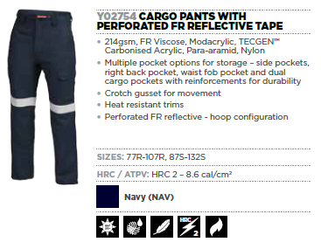
 |  |  |  | 102R | 20 | 9343168745798 | 282 | $225.00 | $63,450.00
 |  |  |  | 107R | 20 | 9343168745804 | 320 | $225.00 | $72,000.00
 |  |  |  | 87S | 20 | 9343168745934 | 40 | $225.00 | $9,000.00
 |  |  |  | 92S | 20 | 9343168745941 | 0 | $225.00
 |  |  |  | 97S | 20 | 9343168745958 | 57 | $225.00 | $12,825.00
 |  |  |  | 102S | 20 | 9343168745866 | 115 | $225.00 | $25,875.00
 |  |  |  | 107S | 20 | 9343168745873 | 125 | $225.00 | $28,125.00
 |  |  |  | 112S | 20 | 9343168745880 | 20 | $225.00 | $4,500.00
 |  |  |  | 117S | 20 | 9343168745897 | 43 | $225.00 | $9,675.00
 |  |  |  | 122S | 20 | 9343168745903 | 60 | $225.00 | $13,500.00
 |  |  |  | 127S | 20 | 9343168745910 | 7 | $225.00 | $1,575.00
 |  |  |  | 132S | 20 | 9343168745927 | 25 | $225.00 | $5,625.00

 |  |  |  | 77R | 20 | 9343168745644 | 88 | $200.00 | $17,600.00 | 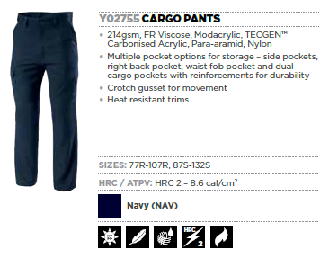
 |  |  |  | 82R | 20 | 9343168745651 | 47 | $200.00 | $9,400.00
 |  |  |  | 92R | 20 | 9343168745675 | 68 | $200.00 | $13,600.00
 |  |  |  | 97R | 20 | 9343168745682 | 228 | $200.00 | $45,600.00
 |  |  |  | 102R | 20 | 9343168745620 | 342 | $200.00 | $68,400.00
 |  |  |  | 107R | 20 | 9343168745637 | 354 | $200.00 | $70,800.00
 |  |  |  | 87S | 20 | 9343168745767 | 58 | $200.00 | $11,600.00
 |  |  |  | 92S | 20 | 9343168745774 | 54 | $200.00 | $10,800.00
 |  |  |  | 97S | 20 | 9343168745781 | 100 | $200.00 | $20,000.00
 |  |  |  | 102S | 20 | 9343168745699 | 148 | $200.00 | $29,600.00
 |  |  |  | 107S | 20 | 9343168745705 | 120 | $200.00 | $24,000.00
 |  |  |  | 112S | 20 | 9343168745712 | 59 | $200.00 | $11,800.00
 |  |  |  | 117S | 20 | 9343168745729 | 41 | $200.00 | $8,200.00
 |  |  |  | 122S | 20 | 9343168745736 | 47 | $200.00 | $9,400.00
 |  |  |  | 127S | 20 | 9343168745743 | 54 | $200.00 | $10,800.00
 |  |  |  | 132S | 20 | 9343168745750 | 39 | $200.00 | $7,800.00

 |  |  |  | 72R | 20 | 9343168746061 | 18 | $155.00 | $2,790.00 | 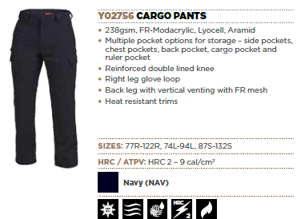
 |  |  |  | 77R | 20 | 9343168746078 | 55 | $155.00 | $8,525.00
 |  |  |  | 82R | 20 | 9343168746085 | 171 | $155.00 | $26,505.00
 |  |  |  | 87R | 20 | 9343168746092 | 683 | $155.00 | $105,865.00
 |  |  |  | 92R | 20 | 9343168746108 | 339 | $155.00 | $52,545.00
 |  |  |  | 97R | 20 | 9343168746115 | 282 | $155.00 | $43,710.00
 |  |  |  | 102R | 20 | 9343168746016 | 360 | $155.00 | $55,800.00
 |  |  |  | 107R | 20 | 9343168746023 | 2 | $155.00 | $310.00
 |  |  |  | 117R | 20 | 9343168746047 | 30 | $155.00 | $4,650.00
 |  |  |  | 122R | 20 | 9343168746054 | 22 | $155.00 | $3,410.00
 |  |  |  | 87S | 20 | 9343168746191 | 66 | $155.00 | $10,230.00
...
 |  |  |  | Size | Carton Quantities | APN | Inventory | RRP AUS $ | Line RRP
 |  |  |  | S | 20 | 9319856008797 | 90 | $150.00 | $13,500.00
 |  |  |  | M | 20 | 9319856008780 | 279 | $150.00 | $41,850.00
 |  |  |  | L | 20 | 9319856008773 | 511 | $150.00 | $76,650.00
 |  |  |  | XL | 20 | 9319856008803 | 500 | $150.00 | $75,000.00
 |  |  |  | 2XL | 20 | 9319856008810 | 180 | $150.00 | $27,000.00
 |  |  |  | 3XL | 20 | 9319856008827 | 91 | $150.00 | $13,650.00
 |  |  |  | 4XL | 20 | 9319856008834 | 30 | $150.00 | $4,500.00
 |  |  |  | 5XL | 20 | 9319856008841 | 10 | $150.00 | $1,500.00

 |  |  |  | S | 15 | 9343168759610 | 20 | $150.00 | $3,000.00 | 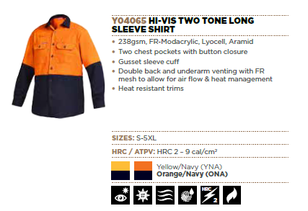
 |  |  |  | M | 15 | 9343168580917 | 453 | $150.00 | $67,950.00
 |  |  |  | L | 15 | 9343168580900 | 1132 | $150.00 | $169,800.00
 |  |  |  | XL | 15 | 9343168580924 | 801 | $150.00 | $120,150.00
 |  |  |  | 2XL | 15 | 9343168580931 | 550 | $150.00 | $82,500.00
 |  |  |  | 3XL | 15 | 9343168580948 | 285 | $150.00 | $42,750.00
 |  |  |  | 4XL | 15 | 9343168580955 | 161 | $150.00 | $24,150.00
 |  |  |  | 5XL | 15 | 9343168580962 | 91 | $150.00 | $13,650.00

 |  |  |  | S | 15 | 9343168759627 | 302 | $150.00 | $45,300.00
 |  |  |  | M | 15 | 9343168580986 | 995 | $150.00 | $149,250.00
 |  |  |  | L | 15 | 9343168580979 | 567 | $150.00 | $85,050.00
 |  |  |  | XL | 15 | 9343168580993 | 874 | $150.00 | $131,100.00
 |  |  |  | 2XL | 15 | 9343168581006 | 438 | $150.00 | $65,700.00
 |  |  |  | 4XL | 15 | 9343168581020 | 266 | $150.00 | $39,900.00
 |  |  |  | 5XL | 15 | 9343168581037 | 4 | $150.00 | $600.00

 |  |  |  | S | 15 | 9343168759597 | 460 | $160.00 | $73,600.00 | 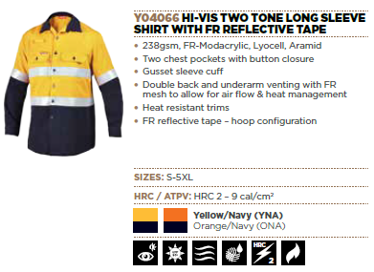
 |  |  |  | M | 15 | 9343168580771 | 1394 | $160.00 | $223,040.00
 |  |  |  | L | 15 | 9343168580764 | 2618 | $160.00 | $418,880.00
 |  |  |  | XL | 15 | 9343168580788 | 1275 | $160.00 | $204,000.00
 |  |  |  | 2XL | 15 | 9343168580795 | 283 | $160.00 | $45,280.00
 |  |  |  | 3XL | 15 | 9343168580801 | 412 | $160.00 | $65,920.00
 |  |  |  | 4XL | 15 | 9343168580818 | 34 | $160.00 | $5,440.00
 |  |  |  | 5XL | 15 | 9343168580825 | 16 | $160.00 | $2,560.00

 |  |  |  | S | 15 | 9343168759603 | 225 | $160.00 | $36,000.00
 |  |  |  | M | 15 | 9343168580849 | 1032 | $160.00 | $165,120.00
 |  |  |  | L | 15 | 9343168580832 | 1838 | $160.00 | $294,080.00
 |  |  |  | XL | 15 | 9343168580856 | 1401 | $160.00 | $224,160.00
 |  |  |  | 2XL | 15 | 9343168580863 | 766 | $160.00 | $122,560.00
 |  |  |  | 3XL | 15 | 9343168580870 | 3255 | $160.00 | $520,800.00
 |  |  |  | 4XL | 15 | 9343168580887 | 2239 | $160.00 | $358,240.00
 |  |  |  | 5XL | 15 | 9343168580894 | 1262 | $160.00 | $201,920.00

 |  |  |  | S | 20 | 9319856910212 | 77 | $180.00 | $13,860.00 | 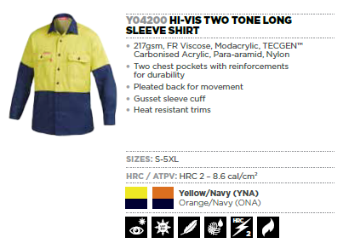
 |  |  |  | M | 20 | 9319856910205 | 182 | $180.00 | $32,760.00
 |  |  |  | L | 20 | 9319856910199 | 300 | $180.00 | $54,000.00
 |  |  |  | XL | 20 | 9319856910229 | 344 | $180.00 | $61,920.00
 |  |  |  | 2XL | 20 | 9319856910236 | 157 | $180.00 | $28,260.00
 |  |  |  | 3XL | 20 | 9319856910243 | 69 | $180.00 | $12,420.00
 |  |  |  | 4XL | 20 | 9319856910250 | 36 | $180.00 | $6,480.00
 |  |  |  | 5XL | 20 | 9319856910267 | 40 | $180.00 | $7,200.00

 |  |  |  | S | 20 | 9319856910137 | 46 | $180.00 | $8,280.00
 |  |  |  | M | 20 | 9319856910120 | 98 | $180.00 | $17,640.00
 |  |  |  | L | 20 | 9319856910113 | 135 | $180.00 | $24,300.00
 |  |  |  | XL | 20 | 9319856910144 | 113 | $180.00 | $20,340.00
 |  |  |  | 2XL | 20 | 9319856910151 | 85 | $180.00 | $15,300.00
 |  |  |  | 3XL | 20 | 9319856910168 | 45 | $180.00 | $8,100.00
 |  |  |  | 4XL | 20 | 9319856910175 | 29 | $180.00 | $5,220.00
 |  |  |  | 5XL | 20 | 9319856910182 | 39 | $180.00 | $7,020.00

 |  |  |  | M | 20 | 9319856910366 | 185 | $250.00 | $46,250.00 | 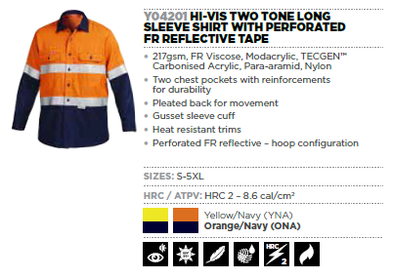
 |  |  |  | L | 20 | 9319856910359 | 269 | $250.00 | $67,250.00
 |  |  |  | XL | 20 | 9319856910380 | 413 | $250.00 | $103,250.00
 |  |  |  | 2XL | 20 | 9319856910397 | 109 | $250.00 | $27,250.00
 |  |  |  | 3XL | 20 | 9319856910403 | 115 | $250.00 | $28,750.00
 |  |  |  | 4XL | 20 | 9319856910410 | 65 | $250.00 | $16,250.00
 |  |  |  | 5XL | 20 | 9319856910427 | 104 | $250.00 | $26,000.00

 |  |  |  | S | 20 | 9319856910298 | 47 | $250.00 | $11,750.00
 |  |  |  | M | 20 | 9319856910281 | 100 | $250.00 | $25,000.00
 |  |  |  | L | 20 | 9319856910274 | 281 | $250.00 | $70,250.00
...

